Sheet1
Name | genomic length | oriC | ter | dnaA gene location | iCorr (optimised)
Chlamydia Trachomatis |  | 10,38,546..10,38,842 |  |  | 3,78,500 (3000-500)
Clostridium Botulinum |  | 1339..1600
Clostridium Tetani | 27,99,251 | 52,254...53,835 | 14,51,880...14,53,461
Helicobacter Pylori | 15,76,758 | 14,90,004..14,90,155 | 7,01,625...7,01,776
Staphylococcus | 29,02,619 | 1879...2155 | 14,53,188...14,53,465
Bacillus | 41,46,839 | 1751...1938 | 20,75,170...20,75,357
Salmonella Entrica | 48,57,432 | 40,83,788...40,84,165 | 16,55,072...16,55,449

Mycoplasma genitalium G37 NC_000908.1 | 5,80,074 | 5,78,582..5,79,223 | 2,88,545...2,89,186 | 5,77,268..5,78,581 | Window Number= 261 Region: 2,61,000-2,65,000 Ratio(peak-avg/stdev): 10.772452537232304 | 20,000
Oceanobacillus iheyensis HTE831 NC_004193.1 | 36,30,528 | 1644..1829 | 18,16,908...18,17,093 | 300..1643 | Window Number= 1573 Region: 15,73,000-15,75,000 Ratio(peak-avg/stdev): 18.92500749201705 Window Number= 2291 Region: 22,91,000-22,93,000 Ratio(peak-avg/stdev): 10.999956702617547 |  | 2,50,000
Clostridium acetobutylicum ATCC 824 NC_003030.1 | 39,40,880 | 39,40,782..466 | 19,70,342...19,70,906 | 467..1807 | Window Number= 2863 Region: 28,63,000-28,65,000 Ratio(peak-avg/stdev): 10.405489159202594 Window Number= 3660 Region: 36,60,000-36,62,000 Ratio(peak-avg/stdev): 9.136092687195271 Window Number= 1286 Region: 12,86,000-12,88,000 Ratio(peak-avg/stdev): 7.2532511355903315 Window Number= 60 Region: 60,000-62,000 Ratio(peak-avg/stdev): 7.170740194578542 Window Number= 1899 Region: 18,99,000-19,01,000 Ratio(peak-avg/stdev): 6.793900947513345 Window Number= 3479 Region: 34,79,000-34,81,000 Ratio(peak-avg/stdev): 6.315953726695522 | 1,00,000
Clostridium perfringens str. 13 NC_003366.1 | 30,31,430 | 30,30,810..409 | 15,15,095...15,16,124 | 410..1783 | Window Number= 285 Region: 2,85,000-2,86,000 Ratio(peak-avg/stdev): 10.951002866211653 Window Number= 1436 Region: 14,36,000-14,37,000 Ratio(peak-avg/stdev): 10.536119473494033 Window Number= 2165 Region: 21,65,000-21,66,000 Ratio(peak-avg/stdev): 9.089937830739897 Window Number= 572 Region: 5,72,000-5,73,000 Ratio(peak-avg/stdev): 6.86723869522189 | 80,000
Shewanella oneidensis MR-1 | 49,69,803 | 6419..6872 | 24,91,320...24,91,773 | 6873..8255 | Window Number= 194 Region: 1,94,000-1,99,000 Ratio(peak-avg/stdev): 20.01457451965896 Window Number= 2583 Region: 25,83,000-25,88,000 Ratio(peak-avg/stdev): 11.683010431871944 Window Number= 894 Region: 8,94,000-8,99,000 Ratio(peak-avg/stdev): 10.535990108633019 | 90,000
Enterococcus faecalis(96) | 32,18,031 | 1403..1603 | 16,10,418...16,10,618 | 59..1402 | Window Number= 555 Region: 5,55,000-5,59,000 Ratio(peak-avg/stdev): 13.697511352205327 Window Number= 144 Region: 1,44,000-1,48,000 Ratio(peak-avg/stdev): 11.09100296922596

Lactobacillus plantarum(90) | 33,08,274 | 1369..1545 | 16,55,506...16,55,682 | 1..1368 | Window Number= 696 Region: 3,48,000-3,49,000 Ratio(peak-avg/stdev): 18.976286521526635 Window Number= 1270 Region: 6,35,000-636000 Ratio(peak-avg/stdev): 7.718008720962836 | 10,19,506

Bacillus licheniformis ATCC 14580 | 42,22,334 | 4222202..506 | 21,11,035...21,11,673 | 507..1847 | Window Number=812 Region:8,12,000 Best match=(5000,1000) | 12,99,035

Leifsonia xyli subsp. xyli str. CTCB07 | 25,84,158 | 1647..2082 |  | 225..164

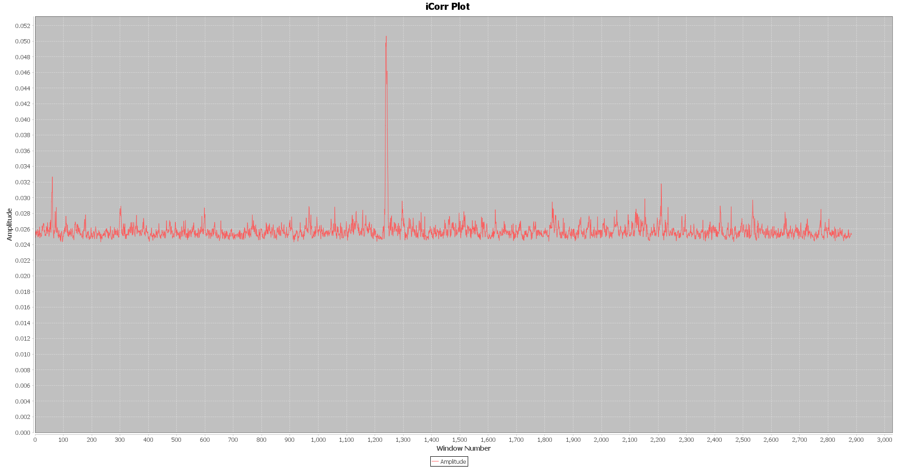
Ochrobactrum anthropi ATCC 49188 chromosome 1, complete sequence | 28,87,297 | 544..1438nt (oriC 1) 883808..884261nt (oriC 2) dnaA (1439..3001nt; oriC 1) hemE (884262..885287nt; oriC 2) |  |  | Overlapping Region encountered! Window Number= 1238 Region: 1238000-1243000 Ratio(peak-avg/stdev): 18.047834102264034 Window Number= 1243 Region: 1243000-1248000 Ratio(peak-avg/stdev): 15.341844211537124 Window Number= 1240 Region: 1240000-1245000 Ratio(peak-avg/stdev): 18.71219626698087

Acidaminococcus fermentans |  |  |  |  | Window Number= 445 Region: 445000-447000 Ratio(peak-avg/stdev): 13.878708798546741 Window Number= 44 Region: 44000-46000 Ratio(peak-avg/stdev): 11.530522928802437 Overlapping Region encountered! Window Number= 236 Region: 236000-238000 Ratio(peak-avg/stdev): 8.266960854610192 Window Number= 238 Region: 238000-240000 Ratio(peak-avg/stdev): 8.430704113961895 Window Number= 2265 Region: 2265000-2267000 Ratio(peak-avg/stdev): 7.705643281154129 Window Number= 247 Region: 247000-249000 Ratio(peak-avg/stdev): 7.324820856224204

Ralstonia |  | 3356072..3356652 |  |  | Window Number= 689 Region: 344500-345500 Ratio(peak-avg/stdev): 20.59908049955363 Window Number= 879 Region: 439500-440500 Ratio(peak-avg/stdev): 17.04231652118587 Window Number= 3868 Region: 1934000-1935000 Ratio(peak-avg/stdev): 10.003946797610537 Window Number= 1867 Region: 933500-934500 Ratio(peak-avg/stdev): 9.895422308251344 Window Number= 4316 Region: 2158000-2159000 Ratio(peak-avg/stdev): 9.780853729822775 Window Number= 3593 Region: 1796500-1797500 Ratio(peak-avg/stdev): 9.733025960653013 Window Number= 47 Region: 23500-24500 Ratio(peak-avg/stdev): 7.74089430567293 Window Number= 3059 Region: 1529500-1530500 Ratio(peak-avg/stdev): 7.539517555932821 Window Number= 1904 Region: 952000-953000 Ratio(peak-avg/stdev): 6.875336636149324

Dehalobacter sp |  | 3647708..612 nt |  |  | Window Number= 2139 Region: 2139000-2140000 Ratio(peak-avg/stdev): 22.502060257993353 Window Number= 1977 Region: 1977000-1978000 Ratio(peak-avg/stdev): 11.183058228801642 Window Number= 2759 Region: 2759000-2760000 Ratio(peak-avg/stdev): 10.164620070887858

